Bug report 1
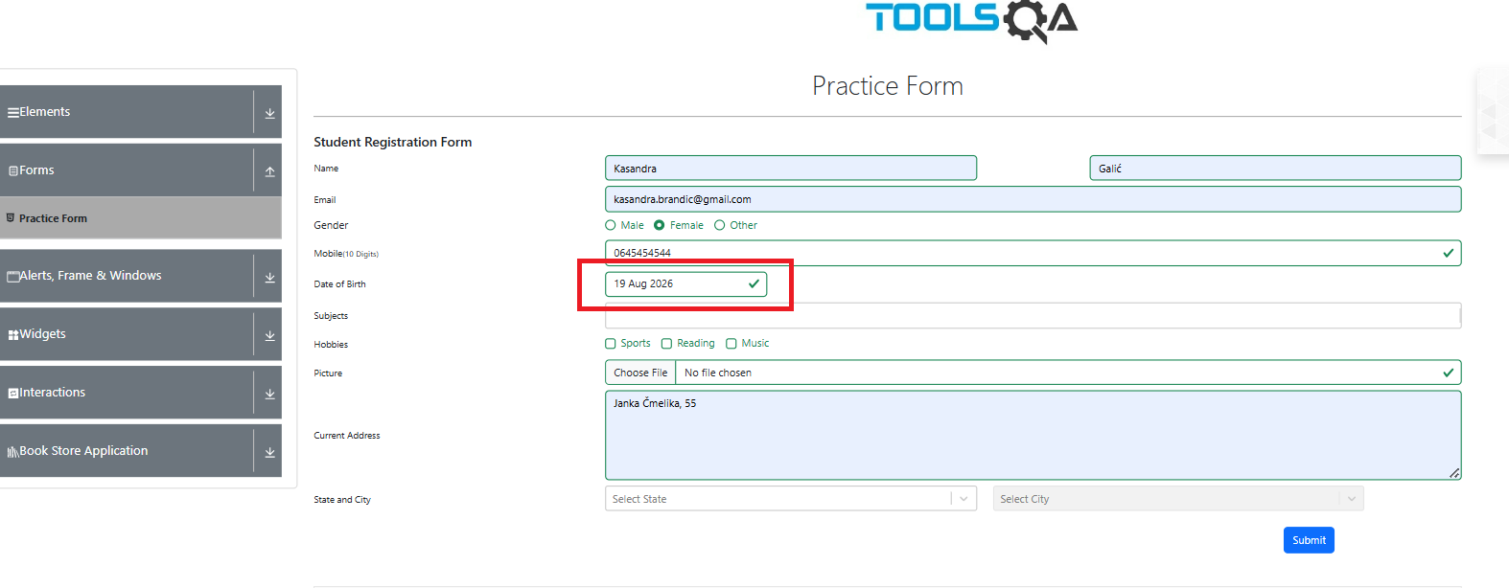
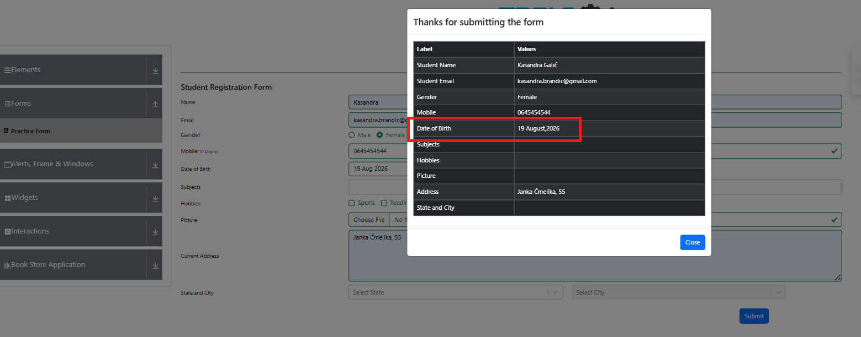
ID | BR1
Summary | Student Registration Form allows user to submit a Date of Birth in the future
Description | During exploraty testing of the Student Registration Form, a critical validation flaw was discovered in the "Date of Birth" field. The system successfully accepts and processes a future birth date (e.g. June 28,2026, while today's date is May 28,2026). Logically a user cannot register with a birth date that is in the future. The form should strictly reject any date beyond the current day and trigger a validation warning to the user.
Steps to reproduce | Expected result | Actual result | Priority | Screenshot
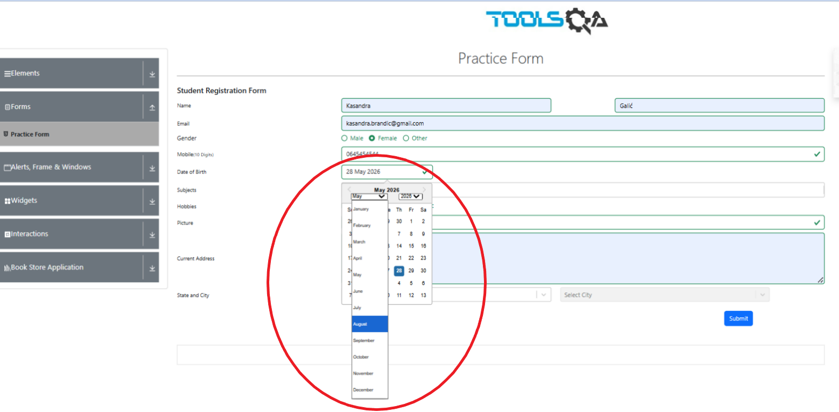
1. Go to https://demoqa.com site | The system should display a validation error stating that the Date of Birth cannot be in the future | The form is successfully submitted and the future date is accepted | Major
2. Click on the "Forms" card on the homepage
3. Click on the "Practice Form" from the left siderbar menu
2. Fill in all fields with valid data (first name, last name, email, gender, mobile)
3. Click on the "Date of Birth" field
4.Manually type or selection a future date (e.g. 28.jun 2026, which is after today's date of 28. may 2026)
5. Click the "Submit" button

Bug report 2
ID | BR2
Summary | The "Close" button on the submission success model in not functional
Description | After successfully submitting the Student Registration Form, a confirmation model window appears on the screen. However, the "Close" button located at the bottom right corner of this model is completely unresponsive when clicked. To dismiss the confirmation window users are forced to click outside the model boundaries on the background screen. The button element is broken and fails to trigger the expected model closing action.
Steps to reproduce | Expected result | Actual result | Priority | Screenshot
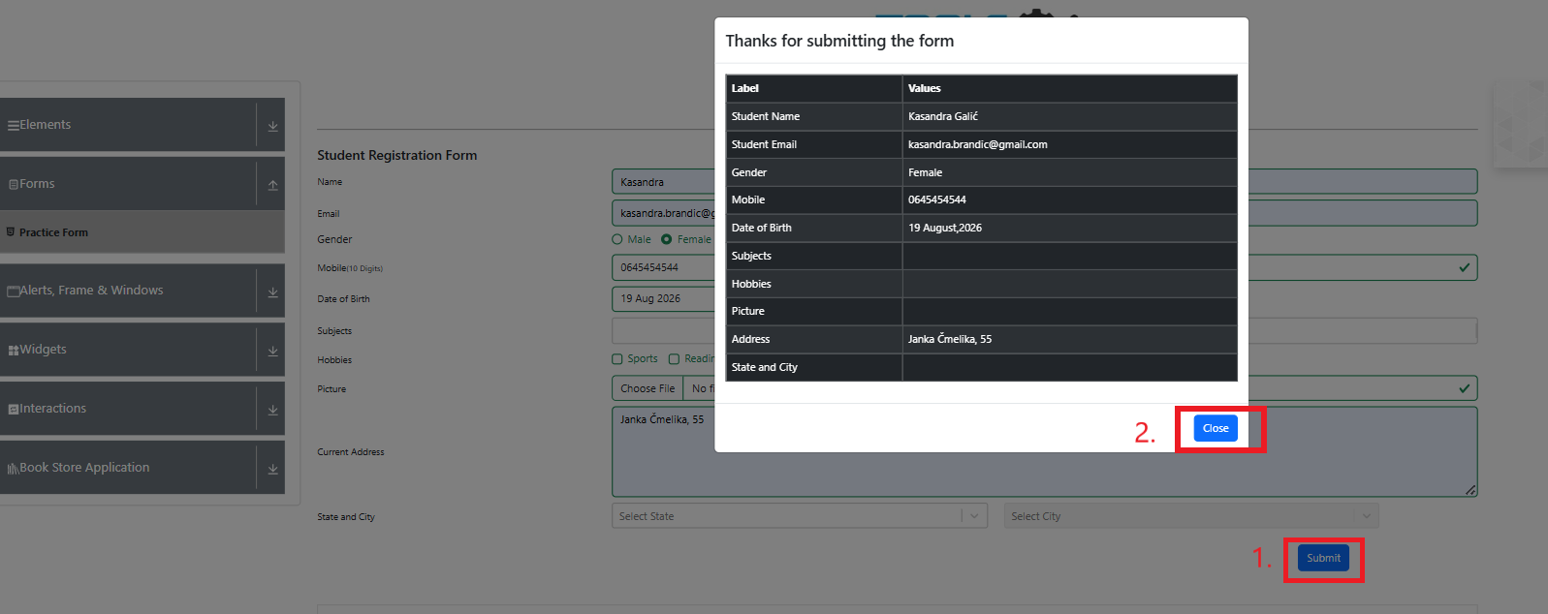
1. Go to https://demoqa.com site | Clicking the "Close" button must close the modal instantly | Clicking the "Close" button does not nothing. The model only cloces if the user clicks outside on the background screen | Medium
2. Click on the "Forms" card on the homepage
3. Click on the "Practice Form" from the left siderbar menu
4. Fill in all fields with valid data (first name, last name, email, gender, mobile, date of birth)
5. Click the "Submit" button
6.Wait for the "Thanks for submitting the form" model to appear
7. Click directly on the "Close" button

